தாள்1
Code | image | title | description | feature 1 | feature 2 | feature 3 | feature 4 | keywords | material / color / size | price
DL350 | 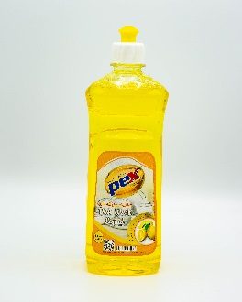 | Pex | Dish wash Lemon | Tough on Grease | Gentle on Hands | Residual odour leaving your utensils clean and fresh | Contains a special stain-removing formula | Dish wash | Yellow,500 ml | 2.00
DL3100 | 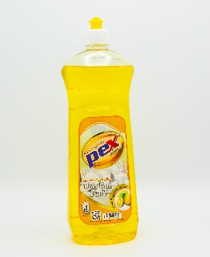 | Pex | Dish wash Lemon | Tough on Grease | Gentle on Hands | Residual odour leaving your utensils clean and fresh | Contains a special stain-removing formula | Dish wash | Yellow,1 ltr | 3.00
DA3100 | 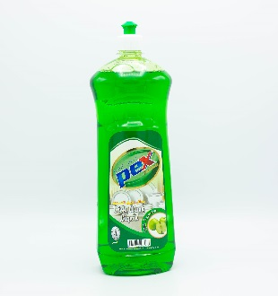 | Pex | Dish wash Apple | Tough on Grease | Gentle on Hands | Residual odour leaving your utensils clean and fresh | Contains a special stain-removing formula | Dish wash | Green ,1 ltr | 3.00
DS3100 | 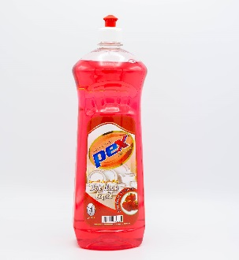 | Pex | Dish wash Strawberry | Tough on Grease | Gentle on Hands | Residual odour leaving your utensils clean and fresh | Contains a special stain-removing formula | Dish wash | Red,1 ltr | 3.00
HOP450 | 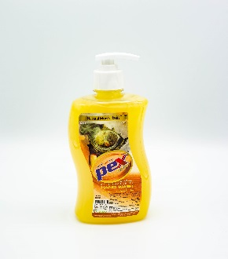 | Pex | Hand wash Oud | Beautiful Oud fragrance | Helping skin stay clean and protected | Providing gentle moisture and nourishment, this hand wash is ideal for daily use | Refreshes and conditions skin | Hand wash | Oud,500 ml | 2.50
HRP450 | 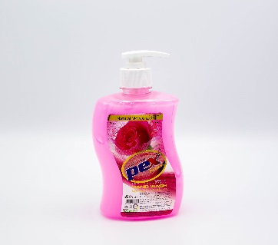 | Pex | Hand wash Rose | Beautiful Rose fragrance | Helping skin stay clean and protected | Providing gentle moisture and nourishment, this hand wash is ideal for daily use | Refreshes and conditions skin | Hand wash | Rose,500 ml | 2.50
HAP450 | 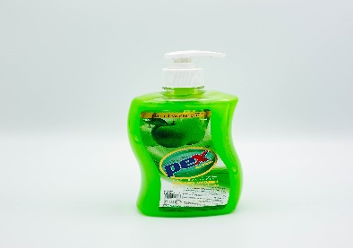 | Pex | Hand wash Apple | Beautiful Apple fragrance | Helping skin stay clean and protected | Providing gentle moisture and nourishment, this hand wash is ideal for daily use | Refreshes and conditions skin | Hand wash | Apple,500 ml | 2.50
HJP450 | 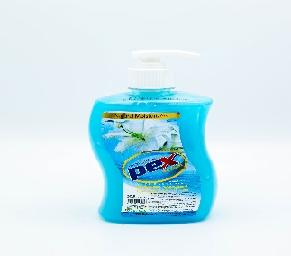 | Pex | Hand wash Jasmine | Beautiful Jasmine fragrance | Helping skin stay clean and protected | Providing gentle moisture and nourishment, this hand wash is ideal for daily use | Refreshes and conditions skin | Hand wash | Jasmine,500 ml | 2.50
HLP450 | 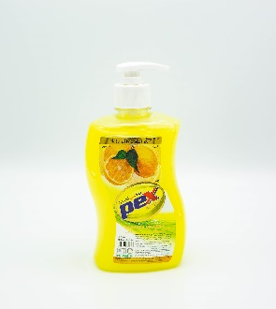 | Pex | Hand wash Lemon | Beautiful Lemon fragrance | Helping skin stay clean and protected | Providing gentle moisture and nourishment, this hand wash is ideal for daily use | Refreshes and conditions skin | Hand wash | Lemon,500 ml | 2.50
HLEP450 | 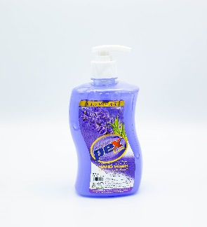 | Pex | Hand wash Lavender | Beautiful Lavender fragrance | Helping skin stay clean and protected | Providing gentle moisture and nourishment, this hand wash is ideal for daily use | Refreshes and conditions skin | Hand wash | Lavender , 500 ml | 2.50
HAP4500 | 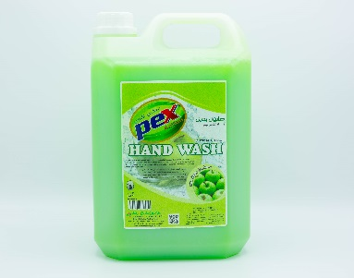 | Pex | Hand wash Apple | Beautiful Apple fragrance | Helping skin stay clean and protected | Providing gentle moisture and nourishment, this hand wash is ideal for daily use | Refreshes and conditions skin | Hand wash | Apple,5 ltr | 12.00
HJP4500 | 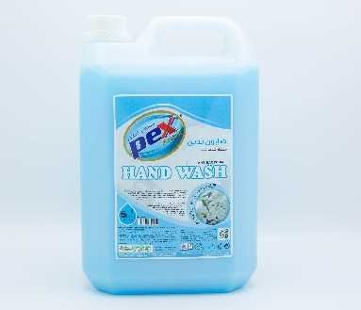 | Pex | Hand wash Jasmine | Beautiful Jasmine fragrance | Helping skin stay clean and protected | Providing gentle moisture and nourishment, this hand wash is ideal for daily use | Refreshes and conditions skin | Hand wash | Jasmine,5 ltr | 12.00
HRP4500 | 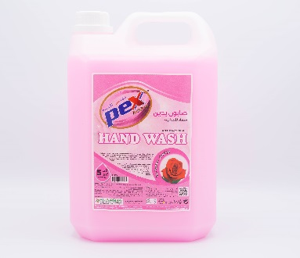 | Pex | Hand wash Rose | Beautiful Rose fragrance | Helping skin stay clean and protected | Providing gentle moisture and nourishment, this hand wash is ideal for daily use | Refreshes and conditions skin | Hand wash | Rose,5 ltr | 12.00
HLP4500 | 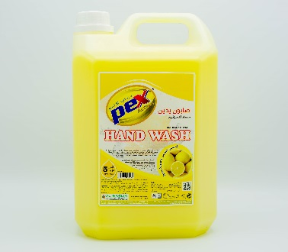 | Pex | Hand wash Lemon | Beautiful Lemon fragrance | Helping skin stay clean and protected | Providing gentle moisture and nourishment, this hand wash is ideal for daily use | Refreshes and conditions skin | Hand wash | Lemon,5 ltr | 12.00
DL3500 | 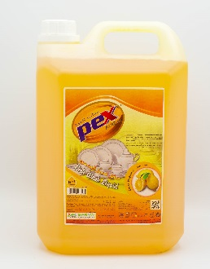 | Pex | Dish wash Lemon | Tough on Grease | Gentle on Hands | Residual odour leaving your utensils clean and fresh | Contains a special stain-removing formula | Dish wash | Lemon,5 ltr | 10.00
FJB9200 | 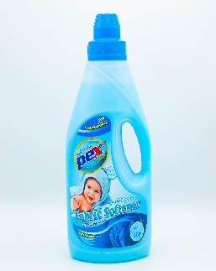 | Pex | Fabric softener Field flovers | Leaves clothes feeling soft, smooth and great to wear | Gives a fresh feel after the wash | Long-lasting freshness | Softens and protects your family’s clothes from stretching, fading and fuzz | Fabric softener | Blue,2 ltr | 7.00
FP1200 | 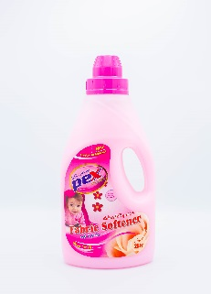 | Pex | Fabric softener Rose | Leaves clothes feeling soft, smooth and great to wear | Gives a fresh feel after the wash | Longer lasting freshness thanks to new perfume micro capsules that burst with every move | Softens and protects your family’s clothes from stretching, fading and fuzz | Fabric softener | Pink,2 ltr | 7.00
GB165 | 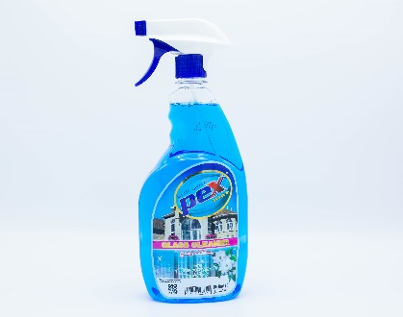 | Pex | Glass cleaner Jasmine | Removes greasy residues | Leaves a sparkling shine with no streaks | Leaves soothing fragrance | Composed to dry quickly without leaving behind a sticky residue | Glass cleaner | Blue,650 ml | 3.00
GG165 | 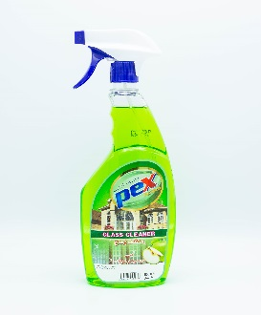 | Pex | Glass cleaner Apple | Removes greasy residues | Leaves a sparkling shine with no streaks | Leaves soothing fragrance | Composed to dry quickly without leaving behind a sticky residue | Glass cleaner | Green , 650 ml | 3.00
GP165 | 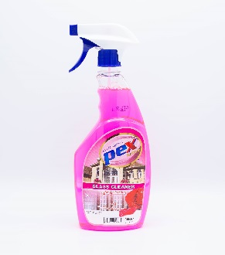 | Pex | Glass cleaner Rose | Removes greasy residues | Leaves a sparkling shine with no streaks | Leaves soothing fragrance | Composed to dry quickly without leaving behind a sticky residue | Glass cleaner | Pink,650 ml | 3.00
GB1500 | 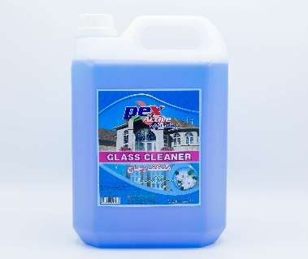 | Pex | Glass cleaner Jasmine | Removes greasy residues | Leaves a sparkling shine with no streaks | Leaves soothing fragrance | Composed to dry quickly without leaving behind a sticky residue | Glass cleaner | Blue,5 ltr | 8.00
TB175 | 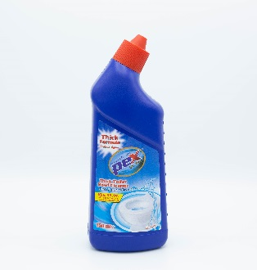 | Pex | Toilet bowl cleaner | Kills germs, removes stains and limescale | Thick liquid which clings and cleans from rim to u-bend | Helps kills 99.9% of germs | Leaves your toilet clean and shiny | Toilet bowl cleaner | Blue , 750 ml | 7.00 | 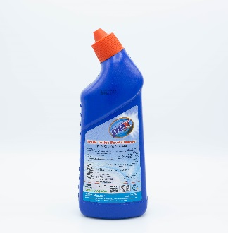
AD150 | 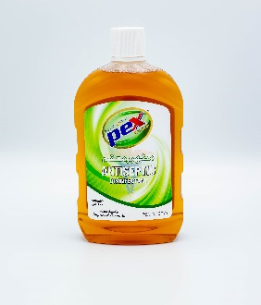 | Pex | Antiseptic disinfectant | Provides protection against germs and bacteria which can cause infection and illness | Used as a household disinfectant, on surfaces or in laundry | Pex Antiseptic Disinfectant liquid is a concentrated antiseptic solution | Protects against infection from cuts, scratches, and insect bites | Antiseptic disinfectant | Brown,500 ml | 3.50
AD275 | 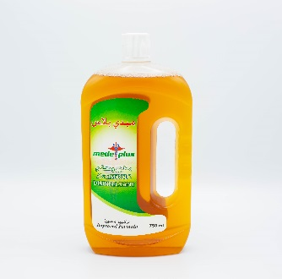 | Medeplus | Antiseptic disinfectant | Provides protection against germs and bacteria which can cause infection and illness | Used as a household disinfectant, on surfaces or in laundry | Medeplus Antiseptic Disinfectant liquid is a concentrated antiseptic solution | Protects against infection from cuts, scratches, and insect bites | Antiseptic disinfectant | Brown,750 ml | 5.00
AL555 | 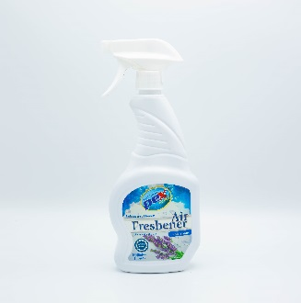 | Pex | Air Freshener Lavender | Removes tough odors and leaves a light, clean fragrance | Eco friendly airfreshener | It does not contain gas , 100 % natural incredients. | Long lasting fragrance. | Air Freshener | Blue,550 ml | 7.00 | 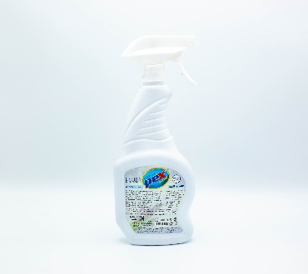
AR555 | 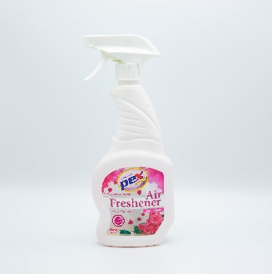 | Pex | Air Frehener Rose | Removes tough odors and leaves a light, clean fragrance | Eco friendly airfreshener | It does not contain gas , 100 % natural incredients. | Long lasting fragrance. | Air Freshener | Pink,550 ml | 7.00 | 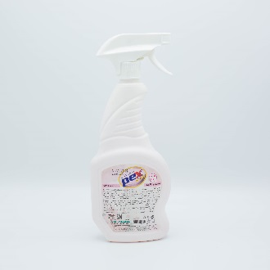
SHP450 | 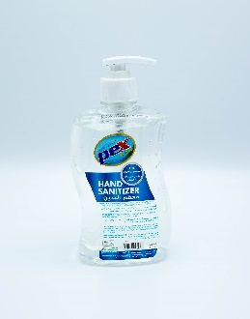 | Pex | Hand Santizer | Leaves hands feeling soft and smooth | Protect transference of germs from your hands | Rinse free and non-sticky | Ideal for use during work, travel, in campus, picnics and in the kitchen | Hand Santizer | 500 ml | 6.00
OC855 | 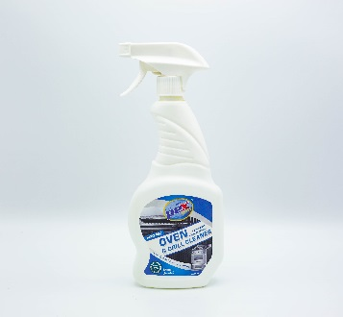 | Pex | Oven cleaner | Suitable for stove tops,range hood,exhaust fan,walls ,sinks,hard floor surfaces etc… | Helps to remove oil,Just spray and wipe ,no need hard sriping. | Eliminates odour and acts within seconds | Active foam loosens grease and basked on food without hard scraping | Oven cleaner | 550 ml | 5.00
OC8500 | 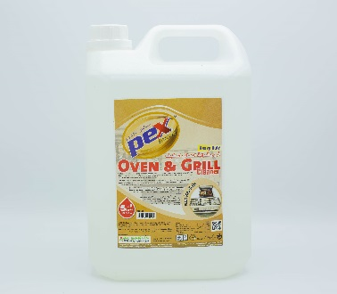 | Pex | Oven cleaner | Suitable for stove tops,range hood,exhaust fan,walls ,sinks,hard floor surfaces etc… | Helps to remove oil,Just spray and wipe ,no need hard sriping. | Eliminates odour and acts within seconds | Active foam loosens grease and basked on food without hard scraping | Oven cleaner | 5 ltr | 15.00
FL7200 | 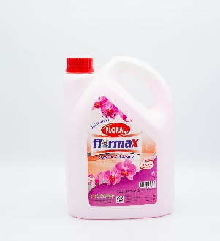 | Flormax | Floral Disinfectant | Perfect for all surfaces | Leaves a fresh & long lasting scent | Suitable to use in kitchen, bathroom or around the house | Disinfectant & effective against bacteria , leaving a fresh Lavander fragrance after clean. | Floral Disinfectant | Pink,2 ltr | 8.00
FL7500 | 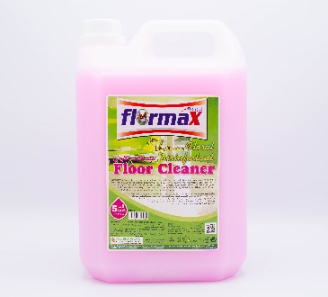 | Flormax | Floral Disinfectant | Perfect for all surfaces | Leaves a fresh & long lasting scent | Suitable to use in kitchen, bathroom or around the house | Disinfectant & effective against bacteria , leaving a fresh Lavander fragrance after clean. | Floral Disinfectant | Pink,5 ltr | 12.00
DFL8500 | 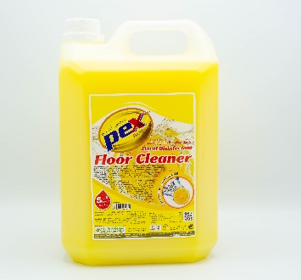 | Pex | Floral Disinfectant Lemon | Perfect for all surfaces | Leaves a fresh & long lasting scent | Suitable to use in kitchen, bathroom or around the house | Disinfectant & effective against bacteria , leaving a fresh lemon fragrance after clean. | Floral Disinfectant | Yellow , 5 ltr | 12.00
FLP2500 | 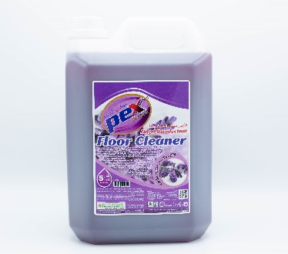 | Pex | Floral Disinfectant Lavander | Perfect for all surfaces | Leaves a fresh & long lasting scent | Suitable to use in kitchen, bathroom or around the house | Disinfectant & effective against bacteria , leaving a fresh Lavander fragrance after clean. | Floral Disinfectant | Purple,5 ltr | 12.00
WFG2500 | 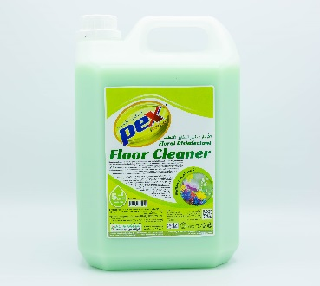 | Pex | Floral Disinfectant Wild flavor | Perfect for all surfaces | Leaves a fresh & long lasting scent | Suitable to use in kitchen, bathroom or around the house | Disinfectant & effective against bacteria , leaving a fresh fragrance after clean. | Floral Disinfectant | Green,5 ltr | 12.00
AD2500 | 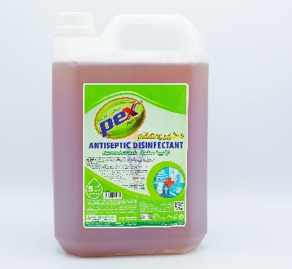 | Pex | Antiseptic disinfectant | Provides protection against germs and bacteria which can cause infection and illness | Used as a household disinfectant, on surfaces or in laundry | Pex Antiseptic Disinfectant liquid is a concentrated antiseptic solution | Protects against infection from cuts, scratches, and insect bites | Antiseptic disinfectant | Brown,5 ltr | 13.00
SHP7500 | 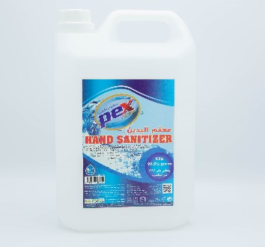 | Pex | Hand Santizer | Leaves hands feeling soft and smooth | Protect transference of germs from your hands | Rinse free and non-sticky | Ideal for use during work, travel, in campus, picnics and in the kitchen | Hand Santizer | 5 ltr | 35.00
ASG3500 | 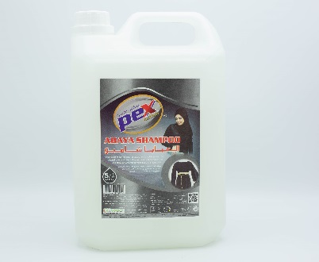 | Pex | Abhaya Shampoo | Protect original color and give it silky soft & fresh scent | Provides a special care for your black fabrics | Easy to rinse off, and better cleaning | Unique formulation causes no harm to your clothes | Abhaya Shampoo | White,5 ltr | 15.00
TB1500 | 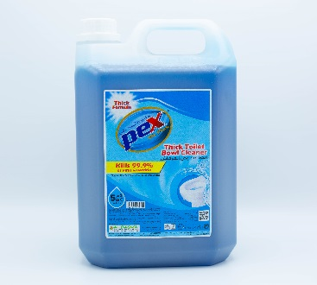 | Pex | Toilet bowl cleaner | Kills germs, removes stains and limescale | Thick liquid which clings and cleans from rim to u-bend | Helps kills 99.9% of germs | Leaves your toilet clean and shiny | Toilet bowl cleaner | Blue,5 ltr | 15.00
MP8500 | 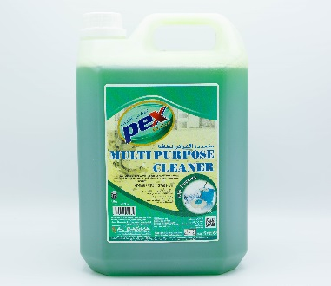 | Pex | Multi purpose cleaner | Prefer to clean all washable surface in less time | Removes and cleans dirt, grease, scuffmarks, food and beverage and mud stains without leaving a sticky residue | Provides easy clean, while maintaining the shine of your house | Deodorizes with powerful Lemon scent | Multi purpose cleaner | Green,5 ltr | 12.00
AG5500 | 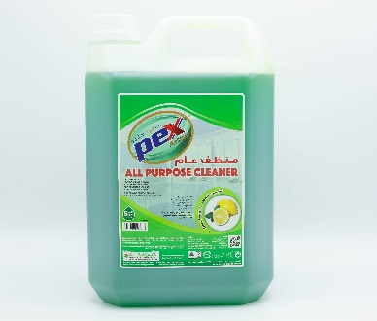 | Pex | All purpose cleaner | Prefer to clean all washable surface in less time | Removes and cleans dirt, grease, scuffmarks, food and beverage and mud stains without leaving a sticky residue | Provides easy clean, while maintaining the shine of your house | Deodorizes with powerful Lemon scent | All purpose cleaner | Green,5 ltr | 10.00
BL136 | 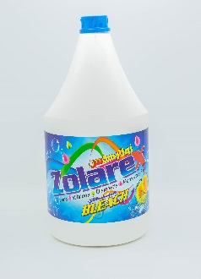 | Zolarex | 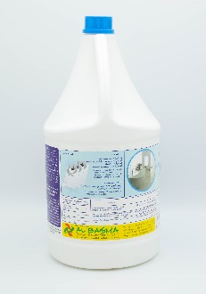 Bleach | Effectively cleans, disinfects and deodorizes a variety of surfaces both indoors and outdoors | Disinfects to kill 99.9% of germs and bacteria | Helps keep your white clothes clean and tidy | Concentrated liquid | Bleach | 3.78 ltr | 6.50
PC1500 | 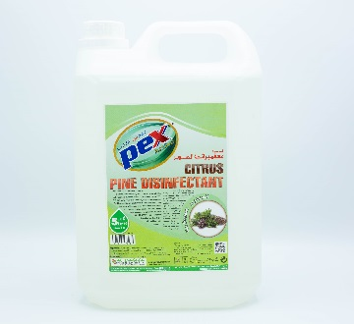 | Pex | Pine Disinfectant citrus | Effectively cleans the floors preventing any residues | Ensures as an ideal disinfectant which maintains optimum hygiene | Leaves a fresh & long lasting scent | Disinfectant & effective against bacteria , leaving a fresh Pine fragrance after clean. | Pine Disinfectant citrus | 5 ltr | 10.00
TBS455 | 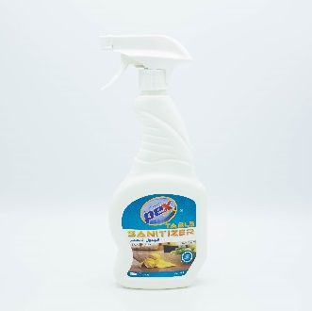 | Pex | Table Santizer | 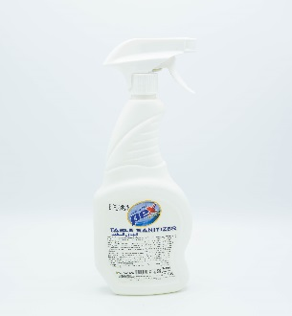 Easy to use,cleaner,santizer and effective for cleaning and disinfection in homes,restaurants etc.. | Composed to dry quickly without leaving behind a sticky residue | Helps kills germs and bacteria. |  | Table Santizer | 550 ml | 4.00
MP855 | 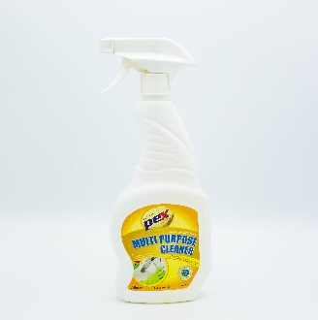 | Pex | Multi purpose cleaner | Removes and cleans dirt, grease, scuffmarks, food and beverage and mud stains without leaving a sticky residue | Provides easy clean, while maintaining the shine of your house | Provides easy clean, while maintaining the shine of your house | Provides easy clean, while maintaining the shine of your house | Multi purpose cleaner | Yellow,550 ml | 3.00 | 